SaaS Threat Model
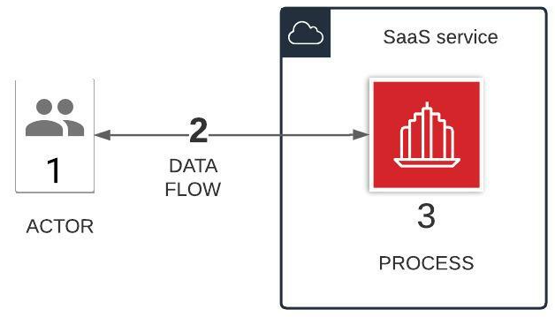

Analyze Model |  | Identify Threats |  | Mitigation Plan
Artifact depicted in the diagram | TM Element | Applicable Threats (STRIDE Classification) | Threat description | How we plan to mitigate the risk(s) | Relevant or applicable NIST CSF control(s)
(1) Human user (customer/employee/partner) using a web browser | Actor | Spoofing | An attacker could pretend to be a valid customer and try to access unauthorized details | Implemented or plan to implement strong authentication | PR.AA-03: Users, services, and hardware are authenticated | GV.SC-04: Suppliers are known and prioritized by criticality | GV.SC-01: A cybersecurity supply chain risk management program, strategy, objectives, policies, and processes are established and agreed to by organizational stakeholders
(1) Human user (customer/employee/partner) using a web browser | Actor | Repudiation | An authorized user (e.g., w/ admin privs) might delete/edit customer data and could claim to have not performed that action | Implemented or plan to implement log monitoring for operations on sensitive data by users | DE.AE-03: Information is correlated from multiple sources | GV.OC-02: Internal and external stakeholders are understood, and their needs and expectations regarding cybersecurity risk management are understood and considered | GV.SC-01: A cybersecurity supply chain risk management program, strategy, objectives, policies, and processes are established and agreed to by organizational stakeholders
(2) Data flow between user/browser and SaaS service | Data flow | Tampering | An attacker could modify data as it traverses internet to the web/app server | Implemented or plan to implement encryption of data in-transit using strong cryptography | PR.DS-02: The confidentiality, integrity, and availability of data-in-transit are protected
(2) Data flow between user/browser and SaaS service | Data flow | Information disclosure | An attacker could sniff network traffic to read sensitive data in transit | Implemented or plan to implement encryption of data in-transit using strong cryptography | PR.DS-02: The confidentiality, integrity, and availability of data-in-transit are protected
(2) Data flow between user/browser and SaaS service | Data flow | Denial of service | An attacker could launch DoS/DDoS to degrade the availability of a web application/service to users | 1. Implemented or plan to implement firewalls at appropriate levels in the network to reduce the attack surface 2. Implemented secure network configuration | GV.SC-04: Suppliers are known and prioritized by criticality | GV.OC-02: Internal and external stakeholders are understood, and their needs and expectations regarding cybersecurity risk management are understood and considered
(3) SaaS service | Process | Spoofing | An attacker could launch a similar and spoofed website to mislead users | Implemented or plan to implement digital certificates based server authentication on the web server
(3) SaaS service | Process | Tampering | An attacker could tamper code or data by launching Injection attack (SQL Injection, Parameter Injection, etc) | Implemented or plan to implement secure web application development/coding/testing |  |  |  | 🧏
(3) SaaS service | Process | Repudiation | An ill written code might delete sensitive customer data and could claim to have not performed that action | Implemented or plan to implement log monitoring for operations on sensitive data by web application
(3) SaaS service | Process | Information disclosure | 1. An attacker could read unauthorized data by launching Injection attack (SQL Injection, Parameter Injection, etc) 2. An attacker could read sensitive data written to disk/storage by the web application/web server1. | 1. Implemented or plan to implement secure web application development/coding/testing 2. Implemented or plan to separate production and non-production environments
(3) SaaS service | Process | Denial of service | An attacker could launch DoS/DDoS to degrade the availability of a web application/service to users | Configure web application/service to Implement Throttling (limit of number of requests to process)
(3) SaaS service | Process | Elevation of privilege | 1. A regular user might access accidentally or intentionally certain administrator privileges and could lead to unwanted consequences 2. An attacker may bypass critical steps or perform actions on behalf of other users (victims) due to improper validation logic | Enforce or plan to enforce principle of least privilege by implementing strong authorization rules

